READ ME BEFORE STARTING
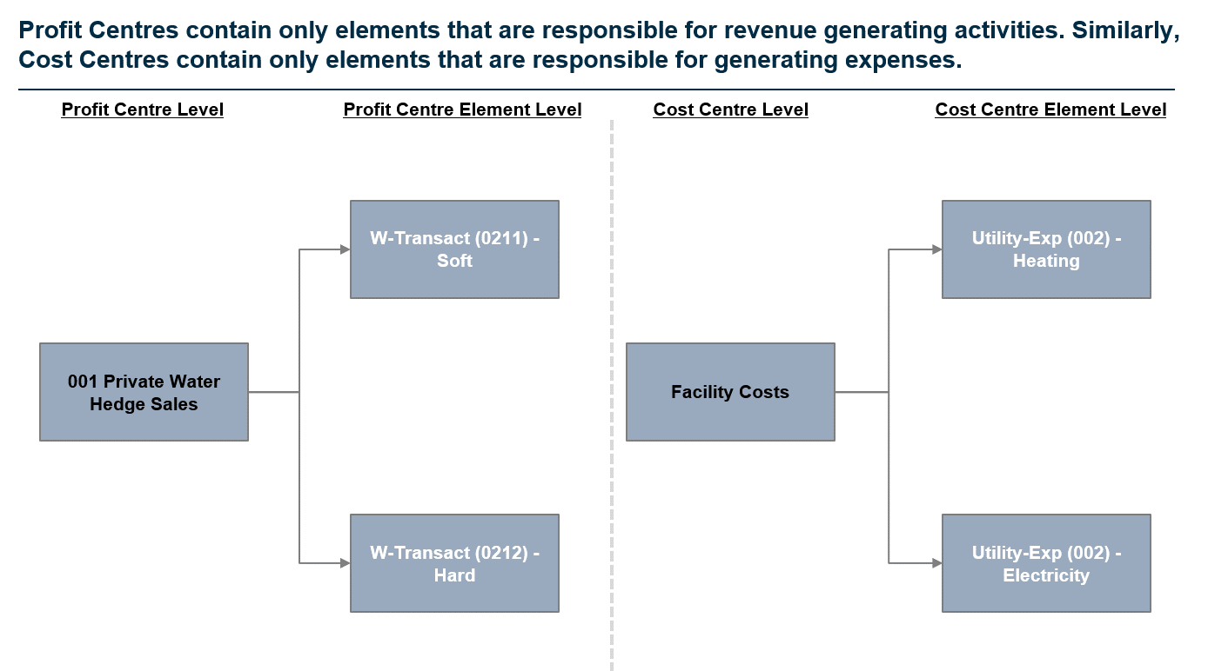
Southern Water Corp. Financial Analysis

Welcome to your first formal Financial Analysis Exercise for Unit 5!
The exercises you will be completing are based off a REAL WORLD Client and will have you focus on using the foundational knowledge you've built in Unit 4 with your Excel Functions, and combining this with the Financial Literacy you've established in Unit 5. It's your chance to prove that you aren't just confident in the topics you've covered - you're able to craft meaningful insights from the data you'll analyse!
In this case study, all the data you need to access is located in the Data Repository Table. This contains a mixture of Financial Data and Production Data that you will be using to answer the questions in each of the three (3) tabs, Revenue, Expenses and EBIT.
This case study will be challenging, but I'm confident with the skills you've developed across Unit 4 and Unit 5 - you'll be able to tell Management a compelling story regarding what insights you can extract from analysing the Revenues, Expenses and EBIT!
Let's get started.

What do the tab colours mean?
Throughout the Case Study, we've split this into three sections. The green tabs are all tabs you will have to complete. The order of completion is below: 1) Revenue Analysis (Unit 5.4) 2) Expenses Analysis (Unit 5.6) 3) EBIT Analysis (Unit 5.8)
What is a Profit Centre and/or Cost Centre?
Southern Water Corp sells two types of water product; Hard and Soft Water which is retailed to Residential, Public and Private Customers. These sales (Revenues) are stored in centres known as PROFIT CENTRES. Similarly you can imagine that production of these water products incurs costs. These costs are then stored and allocated to COST CENTRES.
You will note that when you explore the dataset in the Data Repository Table - in Column F, "Centre Type", there are two centres. Profit Centres - These are centres which handle all the revenue generating activities. These are then broken down further into Profit Centre Elements of which there are two, one for each water product (Soft Water and Hard Water).
Cost Centres - There are centres which handle all cost generating activities. If a business has set costs, they will normally flow through to a cost centre for capture. In most cases, ONLY costs flow through Cost Centres, but depending on company set up - you may have the rare instance where there are revenue-generating activities included in Cost Centres. For Southern Water Corp, we've simplified this structure so revenues stay in Profit Centres and Costs stay in Cost Centres.
Refer to the below example to understand how to interpret the information in the Data Repository Table.

EBIT Analysis
EBIT Analysis - Part III.
In Financial Data Analysis, EBIT Analysis, also known as Profitability Analysis, speaks primarily to understanding which product(s) are the most cashflow positive.
We're now at the final stage of the puzzle (Woo!); We've got the Revenues. We've got the Expenses. All that is now left is the EBIT and we're done!
Once we subtract our Expenses from our Revenues - we can find out how financially sound Southern Water Corp's Units actually are. Let's take one final look at Southern Water Corp's Data for the 2013 - 2014 Period and find out just how profitable the Unit(s) actually are. Additionally, we'll explore how we can use Ratio's to help us show which Unit(s) are most cost-effective from a Revenue to Expenses perspective.

Let's get started!

EBIT can be simply calculated as Revenues - COGS - Operating Expenses.
In the Southern Water Corp. Case Study, we have opted to wrap up our COGS as part of our overall Expenses to simplify the calculation for you.
Hence, the EBIT you will calculate will simply be: Revenues - Operating Expenses.

Q8. For each of the three Southern Water Corp. Desalination Plants (Kootha, Surjek and Jutik), please calculate the EBIT for each of these below. We have the Total Revenues Per Unit in the Revenues Analysis and the Total Expenses Per Unit in the Expenses Tab. Complete the Table Below and let's find out which of the three Units bring us the most EBIT. Are there any particular trend(s) that you're able to pick up / take note of with respect to the EBIT?
Unit | Value Driver |  |  | Jul-13 | Aug-13 | Sep-13 | Oct-13 | Nov-13 | Dec-13 | Jan-14 | Feb-14 | Mar-14 | Apr-14 | May-14 | Jun-14 | Total

Kootha | Revenue |  |  | $5,914,581.20 | $5,696,664.24 | $5,260,681.83 | $5,221,955.49 | $5,514,147.17 | $5,380,892.20 | $7,822,599.72 | $6,924,324.63 | $7,297,789.39 | $5,332,240.42 | $5,394,917.14 | $5,184,163.87 | $70,944,957.30
Surjek | Revenue |  |  | $17,328,050.97 | $14,604,314.44 | $16,135,900.12 | $15,151,633.27 | $13,832,900.80 | $15,562,959.62 | $22,354,057.62 | $18,580,950.73 | $19,644,680.78 | $18,268,435.05 | $14,627,298.49 | $16,164,167.27 | $202,255,349.17
Jutik | Revenue |  |  | $12,716,846.79 | $13,050,243.88 | $13,235,472.92 | $11,815,762.27 | $11,881,724.45 | $11,127,131.81 | $15,491,089.40 | $15,776,843.23 | $14,151,791.64 | $15,011,361.79 | $14,286,635.35 | $15,120,321.85 | $163,665,225.38

Kootha | Expenses |  |  | $3,458,288.87 | $4,778,353.35 | $3,741,007.06 | $3,550,828.79 | $3,646,543.43 | $3,507,223.36 | $5,249,820.35 | $4,419,792.68 | $4,409,725.47 | $4,419,304.32 | $4,692,799.18 | $5,350,137.22 | $51,223,824.09
Surjek | Expenses |  |  | $11,339,551.17 | $13,660,880.33 | $13,806,947.68 | $18,511,924.38 | $20,025,365.09 | $12,958,942.64 | $13,987,466.32 | $16,468,493.16 | $15,013,580.58 | $16,135,503.05 | $18,921,373.30 | $8,489,071.32 | $179,319,099.04
Jutik | Expenses |  |  | $8,168,998.58 | $6,508,016.27 | $8,797,296.02 | $7,399,801.66 | $6,292,597.87 | $5,862,551.47 | $7,198,677.81 | $7,481,708.95 | $8,690,888.62 | $6,732,277.63 | $8,110,761.12 | $9,479,913.26 | $90,723,489.28

Kootha | EBIT |  |  | $2,456,292.33 | $918,310.89 | $1,519,674.77 | $1,671,126.70 | $1,867,603.74 | $1,873,668.84 | $2,572,779.37 | $2,504,531.95 | $2,888,063.92 | $912,936.10 | $702,117.95 | -$165,973.35 | $19,721,133.21
Surjek | EBIT |  |  | $5,988,499.80 | $943,434.10 | $2,328,952.44 | -$3,360,291.11 | -$6,192,464.29 | $2,604,016.98 | $8,366,591.30 | $2,112,457.57 | $4,631,100.20 | $2,132,931.99 | -$4,294,074.81 | $7,675,095.95 | $22,936,250.13
Jutik | EBIT |  |  | $4,547,848.21 | $6,542,227.61 | $4,438,176.90 | $4,415,960.60 | $5,589,126.57 | $5,264,580.34 | $8,292,411.59 | $8,295,134.28 | $5,460,903.02 | $8,279,084.16 | $6,175,874.23 | $5,640,408.59 | $72,941,736.10

It's pretty clear from our EBIT Analysis, which Unit generates the highest EBIT Margins. However - to close out our analysis, let's also take a look from a Ratio Perspective. That is to say, of Kootha, Surjek and Jutik - which has the highest overall EBIT Margins? The EBIT Margin is calculated as EBIT / Revenue. Would this tell us a different story? Let's close out our EBIT Analysis and find out! Q9. Of the three units (Kootha, Surjek and Jutik) - Which Unit has the highest overall EBIT Margin? Feel free to trend this out over the 12 Month Period (Jul-13 to June-14) or simply use the Total EBIT / Total Revenue for each Unit. (If you really want - you can use both!) What do you conclude?

Unit | Value Driver | Cost Centre | Cost Centre Element | Jul-13 | Aug-13 | Sep-13 | Oct-13 | Nov-13 | Dec-13 | Jan-14 | Feb-14 | Mar-14 | Apr-14 | May-14 | Jun-14 | Total

Kootha | EBIT |  |  | 41.53% | 16.12% | 28.89% | 32.00% | 33.87% | 34.82% | 32.89% | 36.17% | 39.57% | 17.12% | 13.01% | -3.20% | 27.80%
Surjek | EBIT |  |  | 34.56% | 6.46% | 14.43% | -22.18% | -44.77% | 16.73% | 37.43% | 11.37% | 23.57% | 11.68% | -29.36% | 47.48% | 11.34%
Jutik | EBIT |  |  | 35.76% | 50.13% | 33.53% | 37.37% | 47.04% | 47.31% | 53.53% | 52.58% | 38.59% | 55.15% | 43.23% | 37.30% | 44.57%

